Algo grouped by similarity
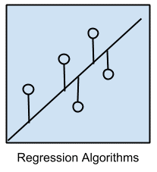
Main Category | Remarks | eg
Regression Algorithms | relationship between variables that is iteratively refined using a measure of error in the predictions made by the model. | Ordinary Least Squares Regression (OLSR)
 |  | Linear Regression
 |  | Logistic Regression
 |  | Stepwise Regression
 |  | Multivariate Adaptive Regression Splines (MARS)
 |  | Locally Estimated Scatterplot Smoothing (LOESS)
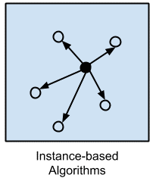
Instance-based Algorithms | Such methods typically build up a database of example data and compare new data to the database using a similarity measure in order to find the best match and make a prediction. For this reason, instance-based methods are also called winner-take-all methods | k-Nearest Neighbor (kNN)
 |  | Learning Vector Quantization (LVQ)
 |  | Self-Organizing Map (SOM)
 |  | Locally Weighted Learning (LWL)
 |  | Support Vector Machines (SVM)

Regularization Algorithms | An extension made to another method that penalizes models based on their complexity, favoring simpler models that are also better at generalizing. | Ridge Regression
 |  | Least Absolute Shrinkage and Selection Operator (LASSO)
 |  | Elastic Net
 |  | Least-Angle Regression (LARS)

Decision Tree Algorithms | Decisions fork in tree structures until a prediction decision is made for a given record. | Classification and Regression Tree (CART)
 |  | Iterative Dichotomiser 3 (ID3)
 |  | C4.5 and C5.0 (different versions of a powerful approach)
 |  | Chi-squared Automatic Interaction Detection (CHAID)
 |  | Decision Stump
 |  | M5
 |  | Conditional Decision Trees

Bayesian Algorithms | The Bayesian algorithm is a set of rules for using evidence (data) to change your beliefs. | Naive Bayes
 |  | Gaussian Naive Bayes
 |  | Multinomial Naive Bayes
 |  | Averaged One-Dependence Estimators (AODE)
 |  | Bayesian Belief Network (BBN)
 |  | Bayesian Network (BN)
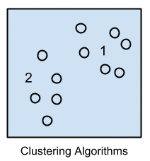
Clustering Algorithms | Clustering methods are typically organized by the modeling approaches such as centroid-based and hierarchal. | k-Means
 |  | k-Medians
 |  | Expectation Maximisation (EM)
 |  | Hierarchical Clustering

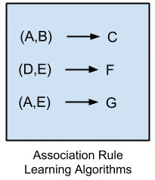
Association Rule Learning Algorithms | These rules can discover important and commercially useful associations in large multidimensional datasets that can be exploited by an organization. | Apriori algorithm
 |  | Eclat algorithm

Artificial Neural Network Algorithms | models that are inspired by the structure and/or function of biological neural networks. | Perceptron
 |  | Multilayer Perceptrons (MLP)
 |  | Back-Propagation
 |  | Stochastic Gradient Descent
 |  | Hopfield Network
 |  | Radial Basis Function Network (RBFN)

Deep Learning Algorithms | modern update to Artificial Neural Networks | Convolutional Neural Network (CNN)
 |  | Recurrent Neural Networks (RNNs)
 |  | Long Short-Term Memory Networks (LSTMs)
 |  | Stacked Auto-Encoders
 |  | Deep Boltzmann Machine (DBM)
 |  | Deep Belief Networks (DBN)

Dimensionality Reduction Algorithms | This can be useful to visualize dimensional data or to simplify data which can then be used in a supervised learning method. | Principal Component Analysis (PCA)
 |  | Principal Component Regression (PCR)
 |  | Partial Least Squares Regression (PLSR)
 |  | Sammon Mapping
 |  | Multidimensional Scaling (MDS)
 |  | Projection Pursuit
 |  | Linear Discriminant Analysis (LDA)
 |  | Mixture Discriminant Analysis (MDA)
 |  | Quadratic Discriminant Analysis (QDA)
 |  | Flexible Discriminant Analysis (FDA)

Ensemble Algorithms | omposed of multiple weaker models that are independently trained and whose predictions are combined in some way to make the overall prediction. | Boosting
 |  | Bootstrapped Aggregation (Bagging)
 |  | AdaBoost
 |  | Weighted Average (Blending)
 |  | Stacked Generalization (Stacking)
 |  | Gradient Boosting Machines (GBM)
 |  | Gradient Boosted Regression Trees (GBRT)
 |  | Random Forest

ML Performance terms
 | Remark | When to use it | When not to use it
SeNsitivity | TP / (TP+FN) | A negative result in a test with high sensitivity is useful for ruling out disease
SPecificity | TN / (TN+FP)
Recall | TP/ (TP+FN)
F1 Score | HM of Recall and Precision
F value | SDB/SDW
miss rate
Precision | TP/(TP+FP)
Accuracy | TP+TN/(ALL)
Kappa & agreement
Prevalence | Condition Positive/ Total Population
Detection Rate
TP | Model correctly detecting the Positive cases
TN | Model correctly detecting the Negative cases
FP | Model incorrectly detect negative cases as Positive
FN | Model incorrectly detect Positive cases as Negative
RMSE
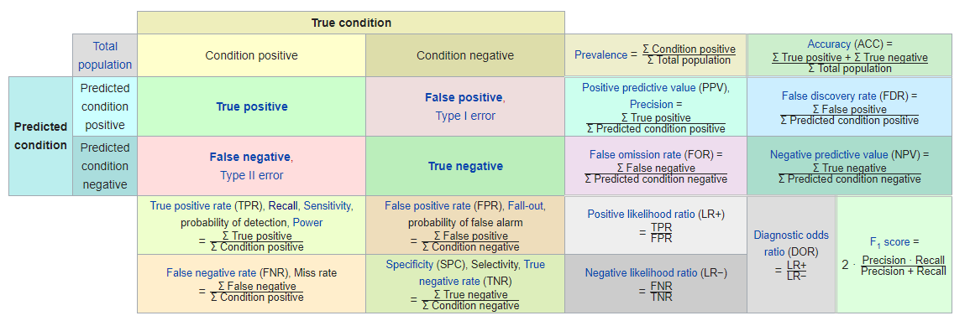
MAPE
AUC
ROC
AIC | assess the model fit., Ultimately, the model with the smallest AIC is considered the best, although the AIC value itself is not meaningful.
SC | assess the model fit., SC penalizes for the number of predictors in the model and the smallest SC is most desirable and the value itself is not meaningful..
BIC | assess the model fit., smallest BIC desirable
#-2Log L
Concordant Ratio | With concordant or discordant pairs, you’re basically answering the question: did the judges/raters rank the pairs in the same order? You aren’t necessarily looking for the exact same rank, but rather if one job seeker was consistently ranked higher by both interviewers. | both interviewers rank both applicants in the same order
Discordant Ratio |  | interviewers ranked in opposite directions
Somers D
Tua a
Pairs

